Indices

 | Iraq Stock Exchange
 | Bulletin No (202)

 | ISX Trading Indices of Monday 10/11/2025

 | Traded Volume and OTC |  | 967,161,366 |  | Traded Value and OTC |  | 808,078,989 |  | Traders | 916

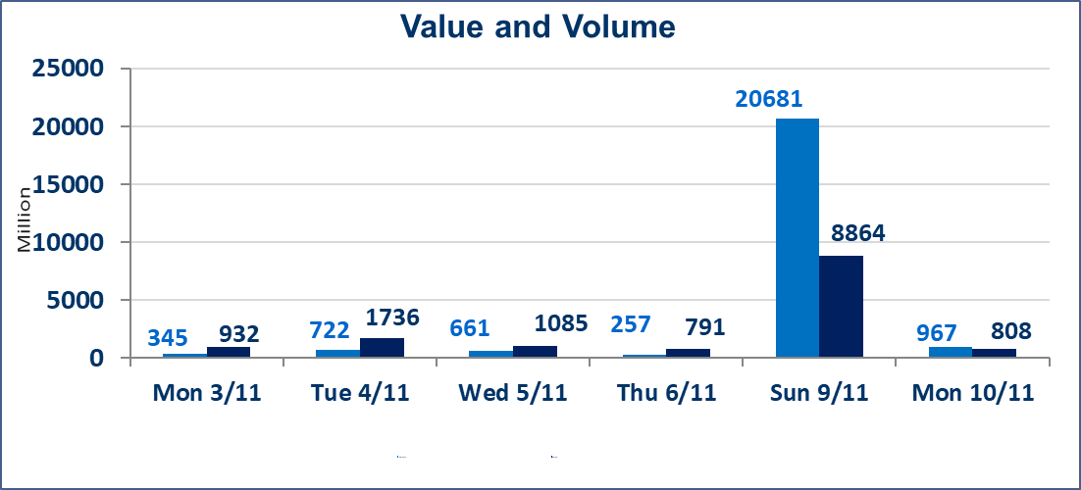
 | ISX Index 60 |  |  | 953.45 | ISX Index 15 |  |  | 1168.39
 | Previous ISX Index60 |  |  | 949.72 | Previous ISX Index15 |  |  | 1166.48
 | Change % |  |  | 0.39 | Change % |  |  | 0.16
 | Change |  |  | 3.73 | Change |  |  | 1.91

 | Listed Companies | 104 | OTC | 11 | Non Traded listed | 46 | OTC | 10
 | Traded Listed Companies | 42 | OTC | 0 | Higher Companies |  |  | 16
 | GAM Companies |  |  | 3 | Lower Companies |  |  | 8
 | Suspended Companies |  |  | 13
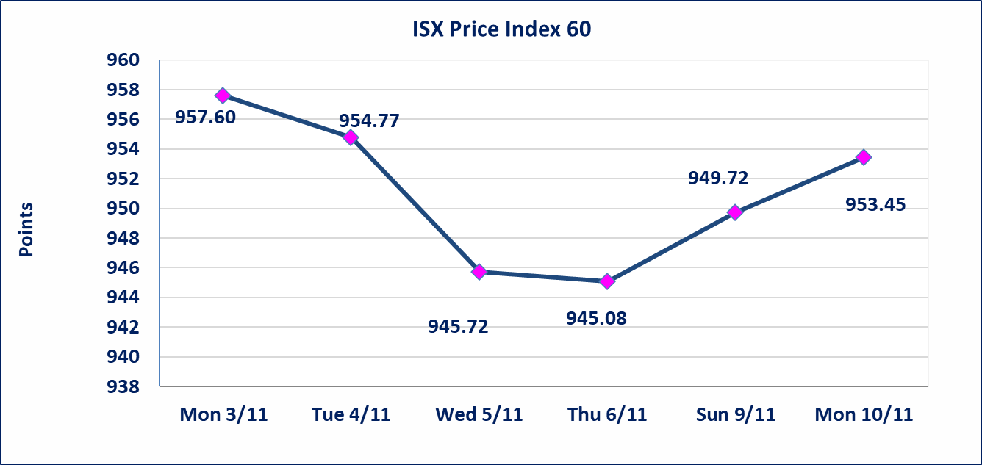
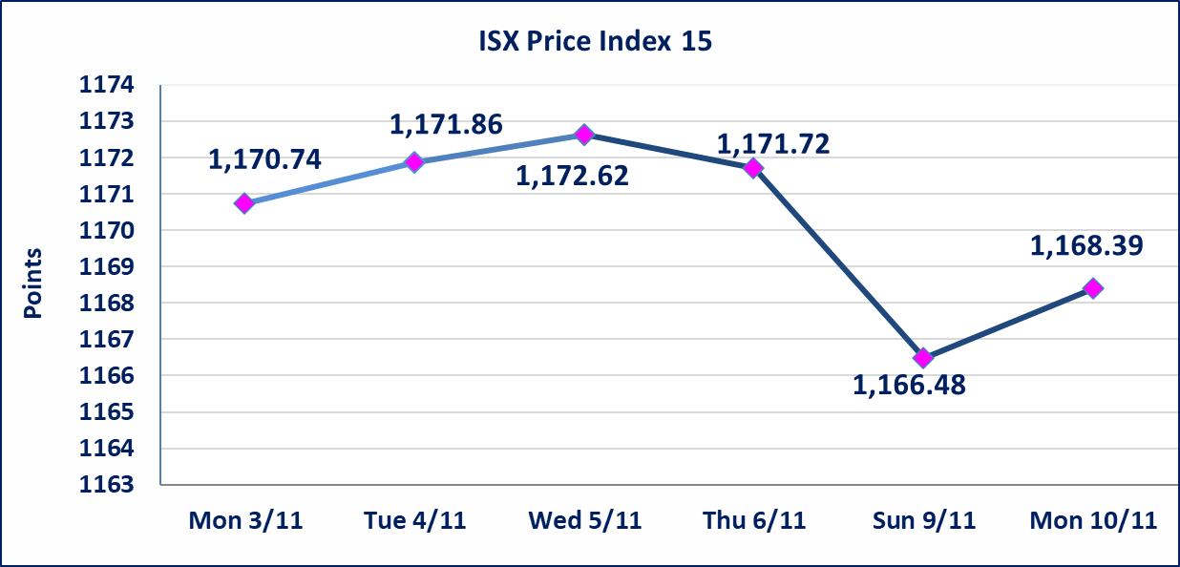

Al-Alwiya P.O . 3607 Mobile: 07711211522 - 07270094594 - 07834000034 E-mail: info-isx@isx-iq.net Web site:www.isx-iq.net

Top 5
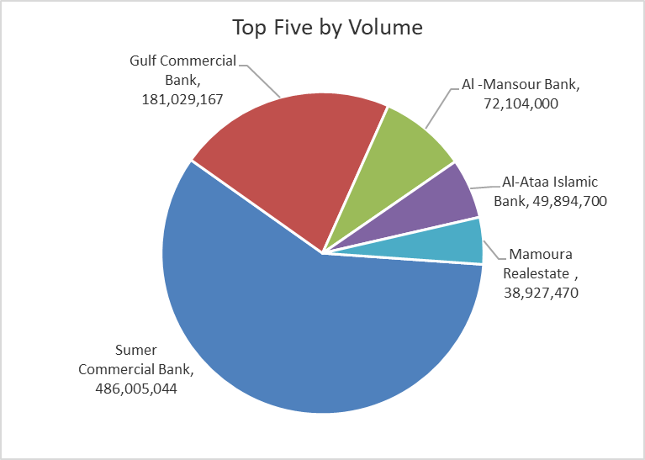
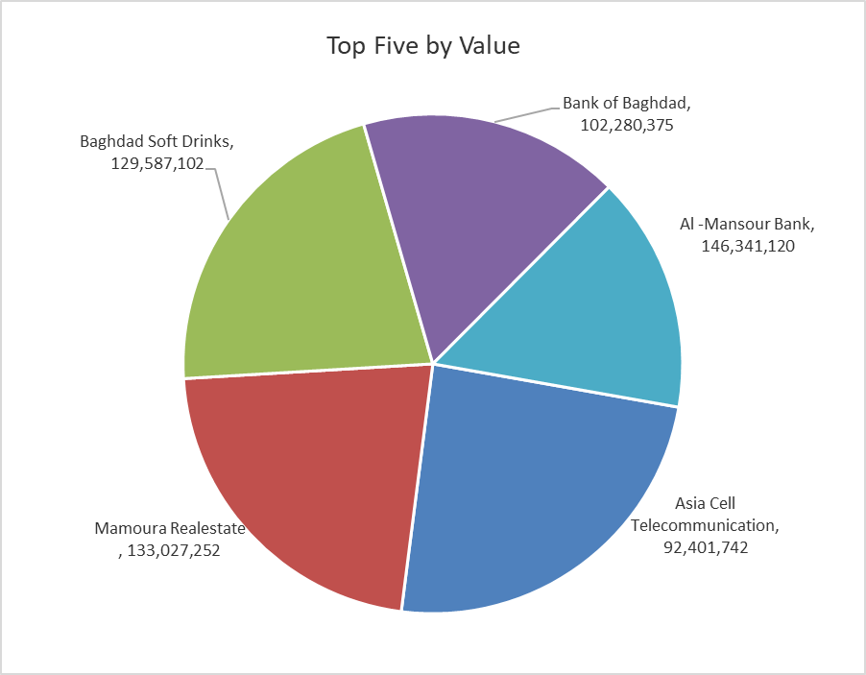
ISX top ganing and losing companies
Monday 10/11/2025
Gainers |  |  |  | Losers
Company Name | Closing Price | Change (%) | Traded Volume | Company Name | Closing Price | Change (%) | Traded Volume
Babil Animal & Vegetable Production | 4.160 | 14.92 | 292,494 | Middle East Bank | 0.060 | -14.29 | 3,001,000
Iraqi Carton Manufactories | 1.710 | 14.77 | 795,685 | Al-Ameen for Insurance | 0.940 | -6.00 | 1,786,392
Sumer Commercial Bank | 0.100 | 11.11 | 486,005,044 | Modern Construction Materials | 0.690 | -2.82 | 500,000
Mamoura Realestate | 3.520 | 11.04 | 38,927,470 | Al -Khazer Construction Materials | 1.190 | -1.65 | 2,600,373
Iraqi Date Processing and Marketing | 2.900 | 8.61 | 5,000 | Commercial Islamic Bank of Iraq | 0.700 | -1.41 | 17,135,101

The most active companies in term of traded volume and value

Traded Volume |  |  |  | Traded Value
Company Name | Closing Price | Change (%) | Traded Volume | Company Name | Closing Price | Change (%) | Traded Value
Sumer Commercial Bank | 0.100 | 11.11 | 486,005,044 | Al -Mansour Bank | 2.030 | 0.00 | 146,341,120
Gulf Commercial Bank | 0.290 | 7.41 | 181,029,167 | Mamoura Realestate | 3.520 | 11.04 | 133,027,252
Al -Mansour Bank | 2.030 | 0.00 | 72,104,000 | Baghdad Soft Drinks | 5.000 | 0.60 | 129,587,102
Al-Ataa Islamic Bank | 0.090 | 0.00 | 49,894,700 | Bank of Baghdad | 3.520 | -0.56 | 102,280,375
Mamoura Realestate | 3.520 | 11.04 | 38,927,470 | Asia Cell Telecommunication | 12.900 | 0.00 | 92,401,742

OTC

Iraq Stock Exchange

Monday 10/11/2025

Not Trading OTC Companies
Company Name | Code | Previous Average price
Banks Sector
Al-Sanam Islamic Bank | BSAN | 3.000
Al-Warka Bank | BWAI | 0.090
Hammurabi Commercial Bank | BHAM | ـــــــــــــــــــــــــــــــــــ
Money Service Sector
Rabee Securities | FRSE | 9.500
Karmal Brokerage | FKSX | 10.000
Ishtar Gate for e-Paymant | FISH | 1.000
Sama Baghdad Exchange | FSBE | ـــــــــــــــــــــــــــــــــــ
Iraqi Deposit Insurance Corporation | FIDI | ـــــــــــــــــــــــــــــــــــ
Insurance Sector
Shatt Al Arab Insurance | NSHA | 1.000
Dilina Insurance Company | NDIL | ـــــــــــــــــــــــــــــــــــ

Non Iraqis

Iraq Stock Exchange
Non Iraqis' Bulletin Monday Nov 10 2025
Regular Market

Non Iraqi Trading of Regular Market (Buy)
Company Names | Code | No.of trades | Traded Shares | Trading Volume
Banks Sector
Bank Of Baghdad | BBOB | 2 | 1,000,000 | 3,520,000
Al-Mansour Bank | BMNS | 6 | 25,000,000 | 50,750,000
Total Bank sector |  | 8 | 26,000,000 | 54,270,000
Grand Total |  | 8 | 26,000,000 | 54,270,000

Non Iraqi Trading of Regular Market (Sell)
Company Names | Code | No.of trades | Traded Shares | Trading Volume
Banks Sector
Al-Mansour Bank | BMNS | 24 | 29,250,000 | 59,377,500
Total Bank sector |  | 24 | 29,250,000 | 59,377,500
Grand Total |  | 24 | 29,250,000 | 59,377,500

